Unit4 Desktop User Instructions
 | Year End Procedures 2024 - Purchases and Claims - Unit 4 Desktop Users

Now – 31st July 2024 | Orders

 | Outstanding order reports should be run at regular intervals during this period in order to review all orders currently open in Unit 4 and used to chase deliveries and invoices to ensure goods/services are received and invoices processed. The deadline for invoices to be submitted to Purchase Ledger to ensure they are paid in this financial year is 5th July 2024. This will ensure they are processed before the 31st July 2024.
 | Orders should always be goods received as soon as the delivery arrives so that the date of delivery is registered in the correct financial year.

 | To run outstanding order reports in Unit 4 go to Reports tab, Global Reports, Full Picture by Sub Project, Double click on report name: O/S order commitments (Curr Yr).
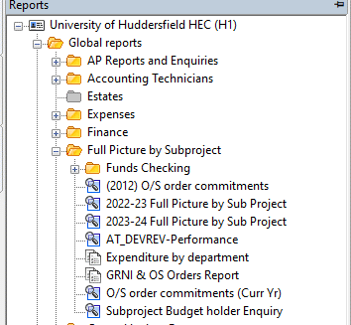

 | Once the report browser has opened there will be a prompt for the subproject to be entered, after entering click
 | on the task bar to see the report results. To see all subprojects close the prompt box and click
 | on the task bar to see the report results. The report shows only open orders and will provide you with the order no., line no. On the order, the o/s commitment (amount of budget currently committed to paying this order), the quantity and amount originally ordered, the quantity and amount delivered and the quantity and amount invoiced to date.

 | Existing Orders

 | Any orders already raised in the current financial year (2023/24) where the delivery will not be made until 1st August 2024 or later should be listed and sent via e-mail to Finance Systems Support so that the balance of the order can be moved into the next financial year (2024/25). Wherever possible though if you know goods will not be received until after the 31st July from 5th July you can amend the orders accounting period to show as 2025/01 so it shows in the new year without anything needing to be done. (See New Orders below)

 | Auto Accrual
 | In line with audit requirements the Finance department will be doing an auto accrual at year end for any order that were raised in 2023/24 financial year and have
 | been goods receipted before the 31st July 2024. Any orders that we have not been informed to roll forward or asked to close will form part of the year end accrual
 | ensuring that the cost of the receipted order is charged to the Financial year 2023/24. Previous emails have been circulated and continue to be circulated around
 | requirements for this. If you have further questions do let the Management Accounting team know.

 | Tasks

 | All tasks including purchase card coding should be completed on a daily basis to ensure that all workflow processes relating to the current financial year are completed as soon as possible. All tasks must be completed by 26th July 2024. Only items that have completed the workflow cycle will be posted to 2023/24, all other items will be processed in 2024/25.

 | New Orders

 | Requisitions can now be raised in Unit 4 (including E-marketplace orders) for goods/services which will be delivered on or after 1st August 2024. To do this the period on the Requisition Entry screen in Unit 4 must be amended to 202501 before entering any other information on the requisition. Once the requisition has been authorised it will then turn into a committed purchase order using the new year’s budget.
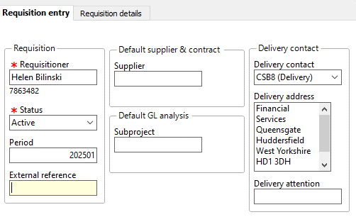

 | Where delivery is expected before 1st August 2024 orders must be placed in the current financial year (2024) and period.

5th July 2024 | Expenses

 | All Online expense claims relating to the current financial year (2023/24) should be entered into Unit 4, and approved to ensure the commitment goes into the correct year.
 | Any expenses that have been entered before the 31st July 2024 but have not been approved on the system will have an automatic accrual done for them and the cost
 | will be charged to the old financial year.

26th July 2024 | Tasks

 | All workflow tasks must be completed by this date.

 | All expense tasks must also be completed by this date, any expense tasks that have been approved by school office and are sat with the budget holder and not approved will automatically be coded to the sub-project that the school office have entered (this only applies to school’s not services).

1st -6th Aug | Purchase Card Tasks

!
 | The last Purchase Card transactions for the financial year (2023/24) will be imported into Unit 4 on the 2nd August 2024 and must be coded and approved by 6th August 2024 in order for them to be included in the current financial year (2023/24). Any still outstanding after this time will be automatically coded to the main school/service subproject.

 | No August transactions will be imported until all 2023/24 transactions are cleared.

 | If you have any queries regarding these procedures or any other financial year end issues please contact the relevant sections below:

Finance Systems Support | FinanceSystemsSupport@hud.ac.uk

Purchase Ledger | Purchase.Invoices@hud.ac.uk
 | Procurement@hud.ac.uk

Student Finance Office | sfo@hud.ac.uk

(AT's) | Diane - d.webster@hud.ac.uk
 | Allison - a.taylor@hud.ac.uk
 | Phil - p.mcewan@hud.ac.uk
 | Troels - T.Petersen@hud.ac.uk

Unit4 WEB User Instructions
 | Year End Procedures 2024 - Purchases and Claims - Unit 4 Web Users

Now – 31st July 2024 | Orders

 | Outstanding order reports should be run at regular intervals during this period in order to review all orders currently open in Unit 4 and used to chase deliveries and invoices to ensure goods/services are received and invoices processed. The deadline for invoices to be submitted to Purchase Ledger to ensure they are paid in this financial year is 5th July 2024. This will ensure they are processed before the 31st July 2024.
 | Orders should always be goods received as soon as the delivery arrives so that the date of delivery is registered in the correct financial year.

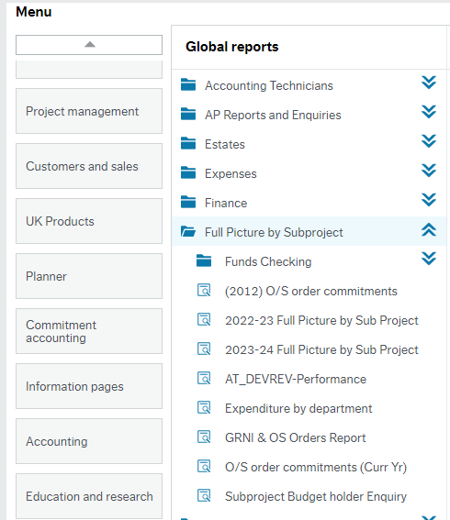
 | To run outstanding order reports in Unit 4 go to Reports tab, Global Reports, Full Picture by Sub Project, Double click on report name: O/S order commitments (Curr Yr).

 | Once the report browser has opened there will be a prompt for the subproject to be entered, after entering click
 | on the task bar to see the report results. To see all subprojects close the prompt box and click
 | on the task bar to see the report results. The report shows only open orders and will provide you with the order no., line no. On the order, the o/s commitment (amount of budget currently committed to paying this order), the quantity and amount originally ordered, the quantity and amount delivered and the quantity and amount invoiced to date.

 | Existing Orders

 | Any orders already raised in the current financial year (2023/24) where the delivery will not be made until 1st August 2024 or later should be listed and sent via e-mail to Finance Systems Support so that the balance of the order can be moved into the next financial year (2024/25). Wherever possible though if you know goods will not be received until after the 31st July from 5th July you can amend the orders accounting period to show as 2025/01 so it shows in the new year without anything needing to be done. (See New Orders below)

 | Auto Accrual
 | In line with audit requirements the Finance department will be doing an auto accrual at year end for any order that were raised in 2023/24 financial year and have
 | been goods receipted before the 31st July 2024. Any orders that we have not been informed to roll forward or asked to close will form part of the year end accrual
 | ensuring that the cost of the receipted order is charged to the Financial year 2023/24. Previous emails have been circulated and continue to be circulated around
 | requirements for this. If you have further questions do let the Management Accounting team know.

 | Tasks

 | All tasks including purchase card coding should be completed on a daily basis to ensure that all workflow processes relating to the current financial year are completed as soon as possible. All tasks must be completed by 26th July 2024. Only items that have completed the workflow cycle will be posted to 2023/24, all other items will be processed in 2024/25.

 | New Orders

 | Requisitions can now be raised in Unit 4 (including E-marketplace orders) for goods/services which will be delivered on or after 1st August 2024. To do this the period on the Requisition Entry screen in Unit 4 must be amended to 202501 before entering any other information on the requisition. Once the requisition has been authorised it will then turn into a committed purchase order using the new year’s budget.

 | Where delivery is expected before 1st August 2024 orders must be placed in the current financial year (2024) and period.

5th July 2024 | Expenses

 | All Online expense claims relating to the current financial year (2023/24) should be entered into Unit 4, and approved to ensure the commitment goes into the correct year.
 | Any expenses that have been entered before the 31st July 2024 but have not been approved on the system will have an automatic accrual done for them and the cost
 | will be charged to the old financial year.

26th July 2024 | Tasks

 | All workflow tasks must be completed by this date.

 | All expense tasks must also be completed by this date, any expense tasks that have been approved by school office and are sat with the budget holder and not approved will automatically be coded to the sub-project that the school office have entered (this only applies to school’s not services).

1st -6th Aug | Purchase Card Tasks

!
 | The last Purchase Card transactions for the financial year (2023/24) will be imported into Unit 4 on the 2nd August 2024 and must be coded and approved by 6th August 2024 in order for them to be included in the current financial year (2023/24). Any still outstanding after this time will be automatically coded to the main school/service subproject.

 | No August transactions will be imported until all 2023/24 transactions are cleared.

 | If you have any queries regarding these procedures or any other financial year end issues please contact the relevant sections below:

Finance Systems Support | FinanceSystemsSupport@hud.ac.uk

Purchase Ledger | Purchase.Invoices@hud.ac.uk
 | Procurement@hud.ac.uk

Student Finance Office | sfo@hud.ac.uk

(AT's) | Diane - d.webster@hud.ac.uk
 | Allison - a.taylor@hud.ac.uk
 | Phil - p.mcewan@hud.ac.uk
 | Troels - T.Petersen@hud.ac.uk

